Contact information
Bioresources physical and contract information |  | United Utilities

Purpose | This spreadsheet provides information about water and sewerage company sewage sludge production sites (known as wastewater treatment works (WwTWs) and sludge treatment facilities (STCs). It is provided in line with guidelines published by Ofwat on its website. Its purpose is to facilitate conversations between companies and third parties to explore market opportunities. It does not include all information that may be defined within a contract. Companies are required to provide data under the columns marked mandatory. Any additional information can be provided on a voluntary basis. | The water and sewerage company areas in England and Wales
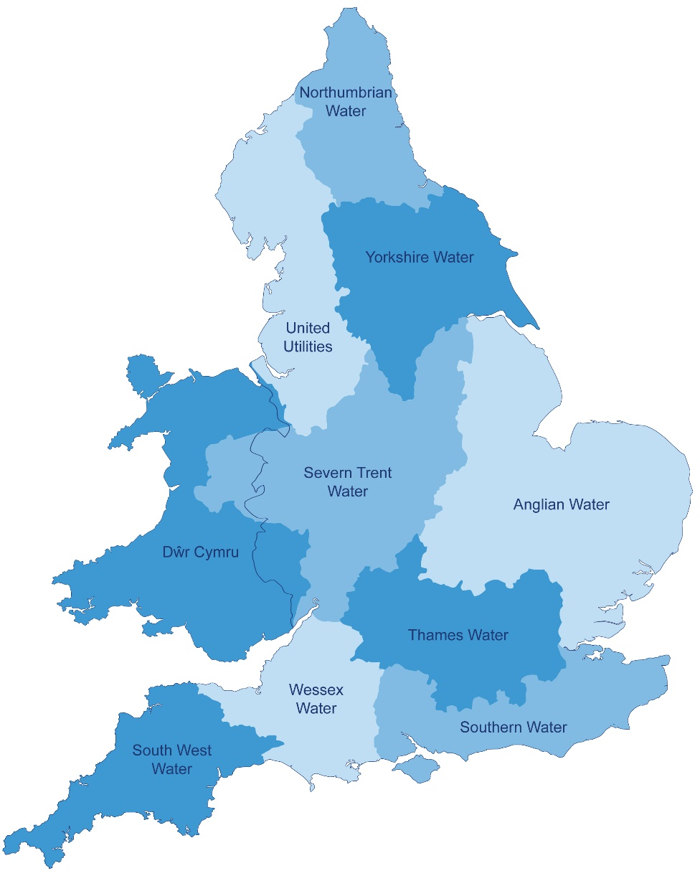
Water and Sewerage Company name | United Utilities
Financial Year the data relates to | 2016-17
Date the spreadsheet was published | 2017-10-01
Contact details for anyone wanting to discuss commercial opportunities arising from this information | UUBioresource@uuplc.co.uk
Brief description of geographical boundary of data included here | United Utilities manages the regulated water and wastewater network in North West England - which includes Cumbria, Cheshire, Greater Manchester, Lancashire and Merseyside.

Brief description of level of data assurance | The information contained within this spreadsheet has been derived from the same base data that was used to develop our 2016/17 Annual Performance Report and was subject to independent 3rd line assurance by CH2M. The allocation of the information to the individual sites with the spreadsheet has been based undertaken defined and documented methodologies using either measured or estimated processes (as shown in the spreadsheet). The methodologies and completion of the data tables have been subject to 1st line review, governance and sign off processes and subject to independent 2nd line assurance by our Corporate Audit team.

Summary of significant changes since the most recently previously published version of the information and this version | N/A

 | Key: Input cell colour

Spreadsheet template version 2, October 2017

